Sheet1
 |  |  | 2020 | 2021 | 2022 | 2023 | 2024 | 2025 | 2026 | 2027 | 2028 | 2029 | 2030
 |  | Healthy
 |  | pre-ddx @ 1
 |  | pre-ddx @ 2
 |  | pre-ddx @ 3
 |  | pre-ddx @ 4
 |  | Stage 1
 |  | Stage 2
 |  | Stage 3
 |  | Stage 4
 |  | Dead

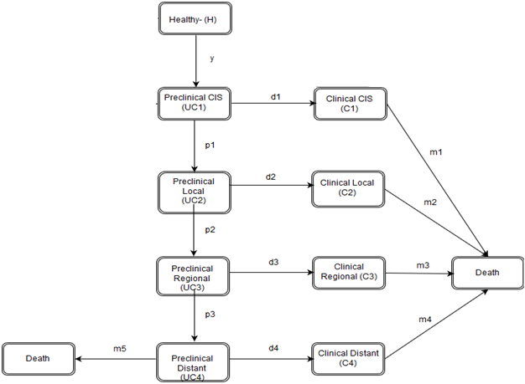
 |  |  |  |  |  | Baseline coverage**
 |  | Transition probabilities |  |  |  | Undo the coverage equation with effect sizes.**
 | H -> ddx1 | y
 | ddx1 ->Stage 1 | d1 |  |  |  | Median year with ddx (3-7 years)
 | Stage 1 -> dead (on treatment) | m1
 | ddx1 -> ddx2 | p1 |  |  |  | Mortality reduction if found at that stage
** | ddx2 -> Stage 2 | d2 |  |  |  | Stage 1 | 0.957
 | Stage 2 - > dead (on treatment) | m2 |  |  |  | Stage 2 | 0.783
 | ddx2 ->ddx3 | p2 |  |  |  | Stage 3 | 0.596
 | ddx3 ->Stage 3 | d3 |  |  |  | Stage 4 | 0.46
 | Stage 3 - > dead (on treatment) | m3
 |  | p3 |  |  |  | Estimate of current distribution
 |  | d4 |  |  |  | Stage 1 | 0.094
 | Stage 4 - > dead (on treatment) | m4 |  |  |  | Stage 2 | 0.142
 | Untreated mortality | m5 |  |  |  | Stage 3 | 0.58
 | other mortality | m |  |  |  | Stage 4 | 0.184

 |  |  |  | H | UC1 | UC2 | UC3 | UC4 | C1 | C2 | C3 | C4
 |  |  | H | -y-m | y
 |  |  | UC1 |  | -p1-d1-m | p1 |  |  | d1
 |  | Q = | UC2 |  |  | -p2 - d2 -m | p2 |  |  | d2
 |  |  | UC3 |  |  |  | -p3 -d3-m | p3 |  |  | d3
 |  |  | UC4 |  |  |  |  | - d4-m5 |  |  |  | d4
 |  |  | C1 |  |  |  |  |  | -m1
 |  |  | C2 |  |  |  |  |  |  | -m2
 |  |  | C3 |  |  |  |  |  |  |  | -m3
 |  |  | C4 |  |  |  |  |  |  |  |  | -m4

